Sheet1
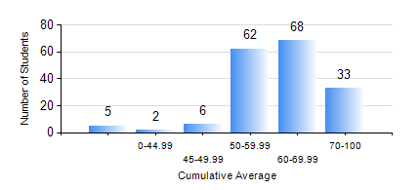
 |  |  | KWAME NKRUMAH UNIVERSITY OF SCIENCE AND TECHNOLOGY, KUMASI Department of Computer Engineering

 |  |  | BSC. COMPUTER ENG.

 |  |  | COMPREHENSIVE RECORD OF EXAMINATION RESULTS

 |  |  | RESULTS OF YEAR 3 SECOND SEMESTER, 2024/2025 ACADEMIC YEAR

 | Sn | Course Code |  | Course Name | Credit Hours | Min. Mark | Max. Mark | Avg. Mark | Std. Dev. | No. Passed | No. Trailed | No. (Df) | No. (I) | No. (I*) | No. Tagged(I,I*,Df) | Total
 | 0. |  |  |  |  |  |  | 0 | 0 | 0 | 0 | 0 | 0 | 0 | 0 | 11
 | 1. | COE 354 |  | OPERATING SYSTEMS | 4 | 12 | 80 | 45 | 15.1 | 121 | 44 | 0 | 0 | 0 | 0 | 165
 | 2. | COE 356 |  | INTRODUCTION TO SOFTWARE ENG. | 3 | 7 | 81 | 67 | 13.61 | 159 | 6 | 0 | 0 | 0 | 0 | 165
 | 3. | COE 358 |  | EMBEDDED SYSTEMS | 3 | 16 | 80 | 54 | 11.58 | 157 | 8 | 0 | 0 | 0 | 0 | 165
 | 4. | COE 368 |  | DATABASE AND INFORMATION RETRIEVAL | 3 | 27 | 91 | 69 | 11.18 | 163 | 2 | 0 | 0 | 0 | 0 | 165
 | 5. | COE 372 |  | DIGITAL SYSTEMS DESIGN II | 3 | 11 | 86 | 46 | 12.35 | 153 | 12 | 0 | 0 | 0 | 0 | 165
 | 6. | COE 392 |  | AUTOTRONIC LAB. | 2 | 40 | 99 | 71 | 12.76 | 164 | 0 | 1 | 0 | 0 | 1 | 165

